cover_EN
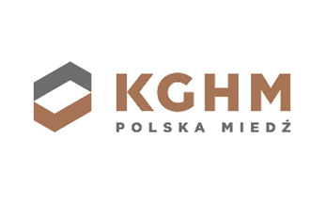

Sustainability Performance Data for 2023

This KGHM 2023 Sustainability Performance Data Spreadsheet presents a summation of our sustainability performance, among others through the ESRS indicators applied.

Unless otherwise indicated, the scope of data included in this spreadshit covers both KGHM Polska Miedz S.A. and the KGHM Group.

For more infrormations, please refer to the KGHM's:
Raporty finansowe | KGHM (PL)
Financial Reports | KGHM (EN)

If you have any further questions on sustainability report or any other related disclosure, please contact our:

Investor Relations Department
+48 76 74 78 280
+48 76 74 78 205
ir@kghm.com

Last update: 23rd April 2024

Please note that in the event of any differences in content between this Excel and the published Non-Financial Statement, the annual report in xhtml format remains valid.

Text is displayed correctly in cells at a zoom level of 100%.

